In Process Inspections
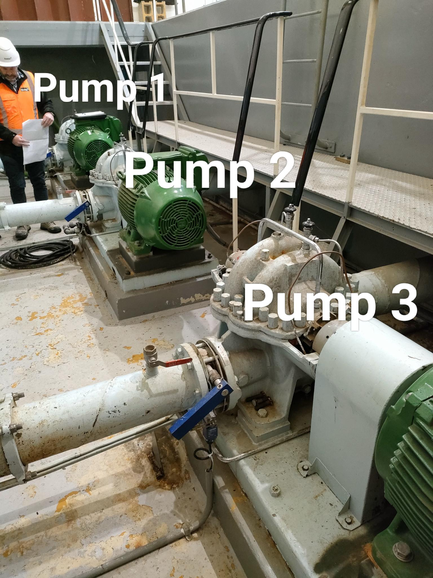
SECTION 4 – IN-PROCESS INSPECTIONS Insert additional or delete unused rows as required. Include reference to specification.
Item No. | Activity/ Task Description | Inspection Point: Quality Control Activity | Acceptance Criteria | Verifying Document | Frequency | Inspection Type (Visual, other) | Inspection
 |  |  |  |  |  |  | Key | By (Role Key)
4.1 | Align pump and motor shafts and install coupling - Pump & Motor Assembly 3 | Engage Engineering Specialist to adjust and align motor and pump shafts using laser alignment | Pump and motor shafts are aligned to the specified tolerances on X-Y-Z axis to tolerance of 0.025mm | Report provided by Engineering Specialist - Wallace Murray Electrical | once | Visual + Photograph + document provided by specialist | QE | D / E
4.2 | Install drive coupling to Pump 3 | Completion of the nstallation of shaft drive coupling - Pump 3 | Completion of Item 4.1 | Report provided by Engineering Specialist - Wallace Murray Electrical | Once | Visual + Photograph | A / I | IP

